Weekly Progress Report
 |  |  |  |  |  |  |  |  |  |  |  |  |  |  |  |  |  |  |  |  |  |  |  |  |  |  |  | Report No. | 34 | Data Date | 6-Oct-26
 |  |  |  |  | Key Dates |  |  |  |  |  | Cost Summary (SR) |  |  |  |  |  |  |  | Performance Summary |  |  |  |  |  | Project Scope
Completion of Infrastructure Works in The Second Industrial City in Makkah Al-Mukarramah |  |  |  |  | Contract Award | 1-Feb-26 | Contract Award (Hijri) | 01/02/1447 | Revised Completion | 14-Aug-27 | Original Contract Value |  | 52,025,516 |  | O&M Value (if any) |  | 0 |  | Plan Value | 54.01% | Phys. Plan Value | 47.06% | Quality Score | 89.95% | Completion of Infrastruture in The Second Industrial City in Makkah (The project includes construction of Roads works ; Box Culvert ; Open Drain Channels and Dike Walls ; Street Lightings and Low Voltage Cables ,concrete ducts at road crossing)
MKH2-02-003 |  | Stage | Construction |  | Contract Sign | 8-Feb-26 | Contract Sign (Hijri) | 08/02/1447 | Committed Completion | 14-Aug-27 | Revised Contract Value |  | 52,025,516 |  | Submitted Invoices (Gross Value) |  | 29,797,667 |  | Earn Value | 75.32% | Phys. Earn Value | 77.96% |  | ¢¢¢¢¢ ¢¢¢££
Al Enjaz Trading & Contracting Co. |  | Status | Active |  | Site Handover | 15-Feb-26 | Site Handover (Hijri) | 15/02/1447 | Forecast Completion | 26-Sep-27 | Estimate At Completion Value |  | 52,025,516 |  | Penalities |  | 2,000 |  | Variance | 21.31% | Variance | 30.9% | Safety Score | 86.36%
Saudi Arabia Consulting Engineering Company "EGIS" |  | Modon PM | Engr. Abdallah Aljulaifi |  | Original Completion | 14-Aug-27 | Original Completion (Hijri) | 14/08/1447 | Variance | (43) | Potential Changes |  | 0 |  | FIR Value (Todate) |  | 39,126,422 |  | FIR % | 75.21% | Invoiced % | 57% |  | ¢¢¢¢¢ ¢¢¢££

 |  |  |  |  |  |  |  |  |  |  |  |  | Physical Progress (Effort) |  |  |  |  |  |  |  |  |  |  |  | Earned Value Progress (%)
 | BOQ Value (SAR) | % Wt. | Weekly (SAR) |  | To Date (SAR) |  |  |  |  |  |  |  | Budgeted | % Wt. | Weekly Physical Progress |  |  |  | To Date Physical Progress
 |  |  | Planned | Earned | Original Plan | Revised Planned | Earned | Original Plan % | Revised Planned % | Earned % | Variance | SPI | (Manhours) |  | Planned | Earned | Plan % | Earned % | Planned | Earned | Plan % | Earned % | Variance | SPI
 | - | 0.0% | - | - | - | - | - | 0.0% | 0.0% | 0.0% | 0.0% |  | 14,738 | 3.0% | - | - | 0.0% | 0.0% | 14,738 | 14,738 | 100.0% | 100.0% | 0.0% | 1.00
 | 1,560,765 | 3.0% | - | - | 1,560,765.48 | 1,560,765.48 | 1,560,765.48 | 100.0% | 100.0% | 100.0% | 0.0% | 1.00 | 24,562 | 5.0% | - | - | 0.0% | 0.0% | 24,562 | 24,562 | 100.0% | 100.0% | 0.0% | 1.00
 | 10,405,103 | 20.0% | - | - | 10,405,103.20 | 10,405,103.20 | 10,035,314.05 | 100.0% | 100.0% | 96.4% | -3.6% | 0.96 | 58,936 | 12.0% | - | - | 0.0% | 0.0% | 58,936 | 53,158 | 100.0% | 90.2% | -9.8% | 0.90
 | 18,062,898 | 34.7% | 572,058.61 | 369,719.67 | 9,650,325.36 | 9,650,325.36 | 12,299,082.75 | 53.4% | 53.4% | 68.1% | 14.7% | 1.27 | 118,380 | 24.0% | 3,400 | 1,471 | 2.9% | 1.2% | 52,420 | 64,158 | 44.3% | 54.2% | 9.9% | 1.22
 | 2,353,782 | 4.5% | 51,053.04 | 99,763.00 | 240,201.22 | 240,201.22 | 1,841,818.17 | 10.2% | 10.2% | 78.2% | 68.0% | 7.67 | 41,030 | 8.3% | 1,320 | 1,432 | 3.2% | 3.5% | 7,780 | 27,784 | 19.0% | 67.7% | 48.8% | 3.57
 | 189,275 | 0.4% | - | - | 189,275.00 | 189,275.00 | 155,775.00 | 100.0% | 100.0% | 82.3% | -17.7% | 0.82 | 6,490 | 1.3% | - | - | 0.0% | 0.0% | 6,490 | 4,390 | 100.0% | 67.6% | -32.4% | 0.68
 | 3,959,941 | 7.6% | - | - | 3,959,941.20 | 3,959,941.20 | 3,959,941.20 | 100.0% | 100.0% | 100.0% | 0.0% | 1.00 | 17,395 | 3.5% | - | - | 0.0% | 0.0% | 17,395 | 17,395 | 100.0% | 100.0% | 0.0% | 1.00
 | 10,291,200 | 19.8% | 121,693.87 | 9,648.00 | 2,091,676.82 | 2,091,676.82 | 9,330,592.37 | 20.3% | 20.3% | 90.7% | 70.3% | 4.46 | 185,220 | 37.6% | 3,180 | 1,512 | 1.7% | 0.8% | 49,700 | 178,177 | 26.8% | 96.2% | 69.4% | 3.59
 | 5,202,552 | 10.0% | - | - | - | - | - | 0.0% | 0.0% | 0.0% | 0.0% |  | 14,740 | 3.0% | - | - | 0.0% | 0.0% | - | - | 0.0% | 0.0% | 0.0%
Total | 52,025,516 | 100.0% | 744,806 | 479,131 | 28,097,288 | 28,097,288 | 39,183,289 | 54.01% | 54.01% | 75.32% | 21.31% | 1.3945576751 | 492,999 | 97.7% | 7,900 | 4,415 | 1.60% | 0.90% | 232,021 | 384,362 | 47.06% | 77.96% | 30.90% | 1.66
Earned Value - Cost
 | Baseline Plan | Revised / Recovery Plan | Earned Value | Forecast | Gross Paid Value
Feb-26 | 0.00% | 0.0% | 0.00% |  | 0.0%
Mar-26 | 0.12% | 0.1% | 6.41% |  | 4.3%
Apr-26 | 5.02% | 5.0% | 14.88% |  | 14.6%
May-26 | 10.80% | 10.8% | 24.08% |  | 21.1%
Jun-26 | 22.11% | 22.1% | 43.56% |  | 36.6%
Jul-26 | 39.02% | 39.0% | 57.68% |  | 44.8%
Aug-26 | 48.47% | 48.5% | 66.77% |  | 52.6%
Sep-26 | 52.81% | 52.8% | 74.39%
Oct-26 | 56.67% | 56.7% | 75.32% | 75.32% | 0.0%
Nov-26 | 62.89% | 62.9% |  | 75.98% | 0.0%
Dec-26 | 69.12% | 69.1% |  | 76.65% | 0.0%
Jan-27 | 76.23% | 76.2% |  | 78.66% | 0.0%
Feb-27 | 80.07% | 80.1% |  | 80.69%
Mar-27 | 86.22% | 86.2% |  | 86.22%
Apr-27 | 88.62% | 88.6% |  | 88.62%
May-27 | 93.53% | 93.5% |  | 93.53%
Jun-27 | 100.00% | 100.0% |  | 100.00%
Jul-27
Aug-27
Sep-27 | 0.00%
Oct-27
Physical Progress - Effort
 | Baseline Plan | Revised / Recovery Plan | Earned Effort % | Forecast
Feb-26 | 1.5% | 1.5% | 0.0%
Mar-26 | 6.1% | 6.1% | 10.3%
Apr-26 | 14.4% | 14.4% | 19.0%
May-26 | 20.3% | 20.3% | 29.1%
Jun-26 | 25.7% | 25.7% | 43.6%
Jul-26 | 32.6% | 32.6% | 57.7%
Aug-26 | 40.1% | 40.1% | 69.6%
Sep-26 | 45.7% | 45.7% | 77.1%
Oct-26 | 51.7% | 51.7% | 78.0% | 78.0%
Nov-26 | 58.7% | 58.7% |  | 81.4%
Dec-26 | 66.6% | 66.6% |  | 85.5%
Jan-27 | 75.1% | 75.1% |  | 90.1%
Feb-27 | 79.9% | 79.9% |  | 91.2%
Mar-27 | 86.8% | 86.8% |  | 94.1%
Apr-27 | 92.3% | 92.3% |  | 95.7%
May-27 | 96.2% | 96.2% |  | 96.2%
Jun-27 | 99.0% | 99.0% |  | 99.0%
Jul-27 | 99.7% | 99.7% |  | 99.7%
Aug-27 | 100.0% | 100.0% |  | 100.0%
Sep-27
Oct-27
 |  |  |  |  |  |  |  |  |  |  |  |  |  |  |  |  |  |  |  |  |  |  |  |  | Construction Milestones
 |  |  |  |  |  |  |  |  |  |  |  |  |  |  |  |  |  |  |  |  |  |  |  |  | Item No. | Milestones |  | Original (Baseline) | Latest Plan | Forecast | Status | Days Change
 |  |  |  |  |  |  |  |  |  |  |  |  |  |  |  |  |  |  |  |  |  |  |  |  | 1 | Project Commencement Date |  | 15-Feb-26 | 15-Feb-26 | 15-Feb-26 | A | 0
 |  |  |  |  |  |  |  |  |  |  |  |  |  |  |  |  |  |  |  |  |  |  |  |  | 2 | Project Kick Off Meeting/NTP |  | 15-Feb-26 | 15-Feb-26 | 15-Feb-26 | A | 0
 |  |  |  |  |  |  |  |  |  |  |  |  |  |  |  |  |  |  |  |  |  |  |  |  | 3 | Project Completion |  | 14-Aug-27 | 14-Aug-27 | 26-Sep-27 | F | (43)
 |  |  |  |  |  |  |  |  |  |  |  |  |  |  |  |  |  |  |  |  |  |  |  |  | 4 | Completion of Mobilization |  | 14-Mar-26 | 14-Mar-26 | 6-Jun-26 | A | (84)
 |  |  |  |  |  |  |  |  |  |  |  |  |  |  |  |  |  |  |  |  |  |  |  |  | 7 | Completion of Long lead Materials Delivery |  | 16-Aug-26 | 16-Aug-26 | 29-Aug-26 | A | (13)
 |  |  |  |  |  |  |  |  |  |  |  |  |  |  |  |  |  |  |  |  |  |  |  |  | 8 | Completion of Road Works |  | 14-Dec-26 | 14-Dec-26 | 7-Feb-27 | F | (55)
 |  |  |  |  |  |  |  |  |  |  |  |  |  |  |  |  |  |  |  |  |  |  |  |  | 9 | Completion of Open Drain Channel |  | 14-Jun-27 | 14-Jun-27 | 26-Jul-27 | F | (42)
 |  |  |  |  |  |  |  |  |  |  |  |  |  |  |  |  |  |  |  |  |  |  |  |  | 10 | Completion of All Works |  | 14-Aug-27 | 14-Aug-27 | 26-Sep-27 | F | (43)
 |  |  |  |  |  |  |  |  |  |  |  |  |  |  |  |  |  |  |  |  |  |  |  |  | 11 | Final Handover |  | 14-Aug-27 | 14-Aug-27 | 26-Sep-27 | F | (43)

Project Status Score
 | Max | Score
SPI (Physical Effort) | 100% | 1.66
SPI (Cost) | 100% | 1.39
On Schedule -Active | 100% | 0.85
Manpower Availability | 100% | 1.15
Major Equipment Availability | 100% | 1.30
Billing % Compared to Planned | 100% | 0.92
Safety Score | 100% | 0.85
Quality Score | 100% | 0.84
Actual Invoices
 | Monthly Gross Value
 | 2,233,198.61
 | 5,354,472.43
 | 3,385,248.29
 | 8,068,537.94
 | 4,265,230.58
 | 4,047,847.20
 | 2,443,132.05

4,256,810

 |  |  |  |  |  |  |  |  |  | Quality |  |  |  |  |  |  |  |  |  |  | Safety
 |  |  |  |  |  |  |  |  |  | Quality Reports |  |  |  |  |  |  |  |  |  |  | Safety Statistics |  |  |  |  |  |  |  | Proactive Vs Reactive Actions Taken
 | Total | Total Submitted Drawings |  |  |  |  | Remaining | Pending | Total Submittals | Quality Reports |  | Issued | Closed | Pending | Avg. Closing (Days) | Pending |  |  |  |  | Category | Item |  | This Week |  | This Month | Year to Date | Cumulative
 |  | A | B | C | D | Processed |  |  |  |  |  |  |  |  |  | 0-10 Days | 11-20 Days | 21-30 Days | 31-60 Days | > 60 Days
 | 0 | 0 | 0 | 0 | 0 | 0 | 0 | 0 | 0 |  |  |  |  |  |  |  |  |  |  |  | General | Total Hours Worked |  | 7,560 |  | 7,560 | 184,540 | 184,540 |  |  | Proactive | 99
 | 25 | 0 | 25 | 0 | 0 | 25 | 0 | 0 | 25 | Non Conformance (NCR) |  | 9 | 9 | 0 | 3 | 0 | 0 | 0 | 0 | 0 |  | Safe Hours Worked |  | 7,560 |  | 7,560 | 184,540 | 184,540 |  |  | Reactive | 1
 | 0 | 0 | 0 | 0 | 0 | 0 | 0 | 0 | 0 | Site Instruction (SIR/SOR) |  | 24 | 22 | 2 | 3 | 1 | 0 | 0 | 0 | 0 | Reactive | LTI |  | 0 |  | 0 | 0 | 0
 | 0 | 0 | 0 | 0 | 0 | 0 | 0 | 0 | 0 | Material Inspection (MRIR) |  | 31 | 31 | 0 | 5 | 0 | 0 | 0 | 0 | 0 |  | MTC (Healed w/o Disability) |  | 0 |  | 0 | 0 | 0
 | 11 | 0 | 11 | 0 | 0 | 11 | 0 | 0 | 11 | Field Inspection (FIR) |  | 880 | 863 | 17 | 4 | 13 | 0 | 0 | 0 | 0 |  | MTC (Healed w/ Disability) |  | 0 |  | 0 | 0 | 0
 | 36 | 0 | 36 | 0 | 0 | 36 | 0 | 0 | 36 | Key Submittals Approval Status |  |  |  |  |  |  |  |  |  |  |  | Near Miss |  | 1 |  | 1 | 1 | 1
 |  |  |  |  |  |  |  |  |  | 1 Quality Plan Approval |  |  | 29-Mar-26 |  | 6 Baseline Approval |  |  |  | 1-Mar-25 |  |  | First Aid Cases |  | 0 |  | 0 | 0 | 0 | Total Hours Worked Vs Safe Hours Worked
 | Total | Total Submitted Material |  |  |  |  | Remaining to approve | Pending | Total Submittals | 2 Quality Plan Last Up |  |  | 46110 |  | 7 No of Approved Version of Schedule |  |  |  | 1 |  |  | Fatality |  | 0 |  | 0 | 0 | 0
 |  | A | B | C | D | Processed |  |  |  | 3 Safety Plan Approval |  |  | 9-Mar-26 |  | 8 Last Approved Schedule |  |  |  | 1-Mar-25 |  |  | Fire Incident Cases |  | 0 |  | 0 | 0 | 0
 | 0 | 0 | 0 | 0 | 0 | 0 | 0 | 0 | 0 | 4 Safety Plan Last Up |  |  | 46090 |  | 9 BOQ Approval Date |  |  |  | 0 |  |  | Vehicle Incident |  | 0 |  | 0 | 0 | 0
 | 15 | 0 | 14 | 0 | 1 | 14 | 0 | 0 | 15 | 5 Execution Plan Approval |  |  | 19-Feb-26 |  | 10 No of Approved Version of BOQ |  |  |  | 0 |  |  | Property Damages |  | 0 |  | 0 | 0 | 0
 | 33 | 0 | 32 | 0 | 1 | 32 | 0 | 0 | 33 | Invoices Summary |  |  |  |  |  |  |  |  |  |  | Proactive | Induction Training |  | 0 |  | 0 | 12 | 12
 | 0 | 0 | 0 | 0 | 0 | 0 | 0 | 0 | 0 | Total Submitted Invoices |  | 0 | Submitted Invoices (SAR) |  |  | 34,267,317 |  | Contract Value (SR) | 52,025,516 |  |  | No.of Internal Training |  | 1 |  | 1 | 36 | 36
 | 17 | 0 | 17 | 0 | 0 | 17 | 0 | 0 | 17 | PM Approved Invoices |  | 7 | PM Approved Invoices (SAR) |  |  | 34,269,317 |  | Planned Value (SR) | 28,097,288 |  |  | No.of Internal Audit |  | 0 |  | 2 | 2 | 2
 | 65 | 0 | 63 | 0 | 2 | 63 | 0 | 0 | 65 | No of Paid Invoices |  | 6 | Paid Invoices (SAR) |  |  | 31,459,715 |  | Earned Value (SR) | 39,183,289 |  |  | No. of Toolbox Talks |  | 1 |  | 1 | 49 | 49
 |  |  |  |  |  |  |  |  |  | No of Pending Invoices |  | 1 | Last Submitted Period |  |  |  |  | Submitted (SAR) | 34,267,317 |  |  | Safety Awards/Incentives |  | 0 |  | 0 | 0 | 0
 | Total Materials | Total Number of P.O. | Actual P.O. To Date | Remaining P.O | Material on Site | Remaining Materials | Material Delivery Completion (Date) |  |  | Advance Payment % |  | 0% | Advance Payment (SAR) |  |  | 0 |  | PM Approved (SAR) | 34,269,317 |  | Latest Contract Change Order Log
 |  |  |  |  |  |  |  |  |  | Retention % |  | 0% | Retention (SAR) |  |  | 0 |  | Total Paid (SAR) | 31,459,715
 | 0 | 0 |  | 0 | 0 | 0 | 0 |  |  | Deduction / Penalties % |  | 0% | Deduction / Penalties (SAR) |  |  | 2,000 |  |  |  |  | CCO No. | Date Added | Description of Change |  |  |  |  | Status | Cost | Sch Impact (Months) | Date Approved | Duration
 | 9 | 9 | 9 | 0 | 8 | 1 | 30-Oct-26 |  |  | Resources at Site
 | 2 | 2 | 2 | 0 | 2 | 0 | 30-May-26 |  |  | Head Count - Non Manual |  |  |  | Head Count - Manual |  |  |  | Total Head Count |  |  | 0 | 0 | 0 |  |  |  |  | 0 | 0 | 0 | 0 | 0
 | 0 | 0 | 0 | 0 | 0 | 0 | 0 |  |  | Planned | Actual | Next Month Forecast | Saudi Staff | Planned | Actual | Next Month Forecast | Saudi Staff | Total Plan | Total Actual | Variance
 | 7 | 7 | 7 | 0 | 7 | 0 | 29-Aug-26 |  |  | 12 | 27 | 12 | 0 | 105 | 121 | 137 | 0 | 117 | 148 | 31
 | 18 | 18 | 18 | 0 | 17 | 1 | 30-Oct-26 |  |  | Manpower Breakdown by Trade |  |  |  |  |  |  | Major Equipment
 | Plan - Monthly | Actual - Monthly | Forecast - Monthly
Feb-26 | 19
Mar-26 | 31 | 68
Apr-26 | 46 | 114 | 46
May-26 | 51 | 121 | 51
Jun-26 | 55 | 128 | 55
Jul-26 | 105 | 112 | 105
Aug-26 | 139 | 119 | 139
Sep-26 | 112 | 121 | 112
Oct-26 | 116 | 121 | 116
Nov-26 | 137 |  | 137
Dec-26 | 150 |  | 150
Jan-27 | 161 |  | 161
Feb-27 | 96 |  | 96
Mar-27 | 118 |  | 118
Apr-27 | 104 |  | 104
May-27 | 56 |  | 56
Jun-27 | 17 |  | 17
Jul-27 | 6 |  | 6
Aug-27 | 6 |  | 6
 |  |  |  |  |  |  |  |  |  | Key Trade | Planned | Actual |  |  |  |  | Type | Planned | Actual | Idle
 |  |  |  |  |  |  |  |  |  | General Labor | 60 | 57 |  |  |  |  | Excavator | 5 | 13 | 0
 |  |  |  | Active Schedule Activities |  |  |  |  |  | Carpenter | 1 | 0 |  |  |  |  | Loader | 5 | 5 | 0 | Major Quantity Trackers
Not Started | In Progress | Completed | % | Active | Ahead | On | Behind | Flag | 0 | Plumber | 0 | 0 |  |  |  |  | Dozer | 2 | 8 | 0 | BOQ N0. | Item Description |  |  |  |  | Total Qty | Measu Unit | Plan to Date | Act to Date | Remaining | Variance
59 | 33 | 307 | 76.94% | 33 | 28 | 0 | 5 | 23 |  | Operator | 20 | 36 |  |  |  |  | Dump Truck | 17 | 22 | 0 | B1.31 22 00.01 | Roadway Excavation for cuttings (all types of soil) |  |  |  |  | 537022.58 | m³ | 537022.58 | 503714.85 | 33307.73 | -33307.73
 |  | Free Float Management (Total) |  |  |  | Failed Start Activities |  |  |  | Steel Fixer | 2 | 0 |  |  |  |  | Crane | 0 | 2 | 0 | B1.31 22 00.02 | Embankments to the ROW with common / suitable excavated material or with suitable imported material |  |  |  |  | 438441.54 | m³ | 438441.54 | 434747.75 | 3693.79 | -3693.79
 |  | Greater Than 14 Days |  | Less Than 14 Days |  |  |  |  |  | Mason | 2 | 0 |  |  |  |  | Grader | 4 | 3 | 0 | B1.31 22 00.05 | Subgrade |  |  |  |  | 21604.00 | m³ | 0.00 | 0.00 | 21604.00 | 0.00
This Week | Diff | Last Week | This Week | Last Week | This Week | Last Week | This Week | Flag | 0 | Others | 20 | 28 |  |  |  |  | Other | 17 | 12 | 0 | B1.32 11 23.01 | Aggregate base course |  |  |  |  | 14403.00 | m³ | 0.00 | 0.00 | 14403.00 | 0.00
67 | 8 | 8 | 7 | 88 | 89 | 9 | 8 | 1 |  | Total | 105 | 121 |  |  |  |  | Total | 50 | 65 | 0 | B1.32 11 26.01 | Bituminous base course (Grading I - Class A), including Prime Coat (MC1) and tack coat (RC2) (if any) |  |  |  |  | 7129.00 | m³ | 0.00 | 0.00 | 7129.00 | 0.00
 |  |  |  |  |  |  |  |  |  |  |  |  |  |  | Top Issues and Risks
 |  |  |  | RIP-RAP Works for Dike Wall 1 |  |  |  |  |  | Cutting Works for Collector 9 |  |  |  |  | Top 5 Issues
 |  |  |  |  |  |  |  |  |  |  |  |  |  |  | Issue No | Date Identified | Issue Description |  |  |  | Responsible | Action Taken |  |  | Mitigation |  |  |  |  | Current Status | Expected/Actual Closure | Duration Elapsed
 |  |  |  |  |  |  |  |  |  |  |  |  |  |  | 1 |  |  |  |  |  |  |  |  |  |  |  |  |  |  |  |  | 0
 |  |  |  |  |  |  |  |  |  |  |  |  |  |  | 2 |  |  |  |  |  |  |  |  |  |  |  |  |  |  |  |  | 0
 |  |  |  |  |  |  |  |  |  |  |  |  |  |  | 3 |  |  |  |  |  |  |  |  |  |  |  |  |  |  |  |  | 0
 |  |  |  |  |  |  |  |  |  |  |  |  |  |  | 4 |  |  |  |  |  |  |  |  |  |  |  |  |  |  |  |  | 0
 |  |  |  |  |  |  |  |  |  |  |  |  |  |  | 5

Weekly Photos
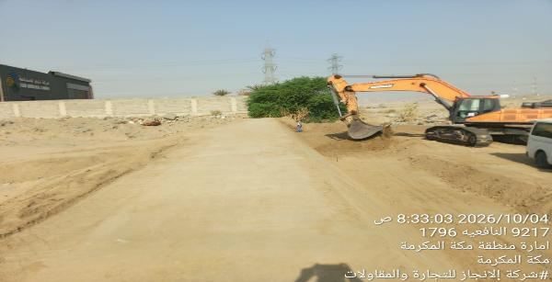
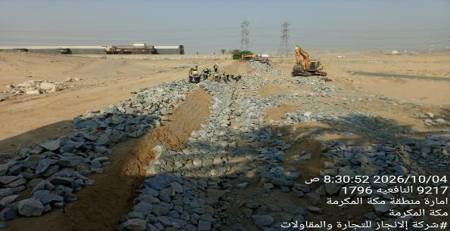
Date | 6-Oct-26

Cutting Works for Collector 9 |  | Installation of Interlock Block works for Arterial 4
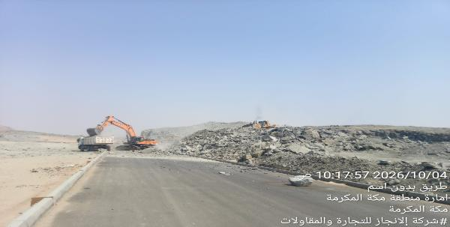
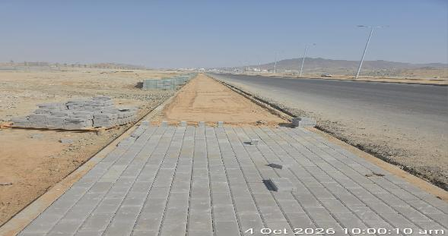

Berm Construction works for Dike wall 1 |  | RIP-RAP Works for Dike Wall 1

Risk Register

Department: |  |  |  |  |  |  |  |  | Status Date:
Program |  |  |  |  |  |  |  |  | 6-Oct-26
Project: |  |  | Completion of Infrastructure Works in The Second Industrial City in Makkah Al-Mukarramah
Project No.: |  |  | MKH2-02-003
Project Location: |  |  | MAKKAH 2nd INDUSTRIAL CITY

 |  |  |  |  |  |  |  |  |  |  |  |  |  |  |  | Before Treatment |  |  |  |  |  |  |  |  |  |  | Post Treatment
Risk Data |  |  |  |  |  | Category |  |  | Risk Description |  |  | Risk Control Dates |  | Risk Manageability | Risk Proximity | Most Likely |  |  | Risk Owner | Risk Response & Treatment Action |  |  |  | Treatment Control Dates |  |  | Most Likely |  |  | Treatment Status
Risk ID | Region | Section / Group | City | Project ID | Risk Status | T/O/I | Internal/External | Category | Cause / Source | Risk | Consequence / Effect | Identified | Closed |  |  | Liklihood | Impact | Risk Score |  | Risk Response Strategy | Treatment Action | Treatment Acton Description | Treatment Action Owner | Start | Due | Closed | Liklihood | Impact | Risk Score
MKH2-02-003-00 | Western | Western | Makkah | MKH2-02-003 | Close | Threat | Internal | Design / Planning | Delay in Designing of Channels | Design revision for Open Channel 3A issued by MODON | Delay in Construction Works | 7-Apr-2026 | Closed | Hard | Imminent | High | Very High | H20 | Contractor/MODON | Treat | Mitigation |  | Contractor/MODON | 7-Apr-26 |  | 19-Apr-26 | High | High | H16 | Close
MKH2-02-003-01 | Western | Western | Makkah | MKH2-02-003 | Close | Threat | Internal | Safety / Quality | Delay in Designing of Culvert No. 3 | Construction of additional culvert, Number 3, at the Northern Entrance of the Al-Badad | Delay in Construction Works | 7-Apr-2026 |  | Hard | Imminent | High | High | H16 | Contractor/MODON | Treat | Mitigation |  | Contractor/MODON | 7-Apr-26 |  |  | High | High | H16 | Close
MKH2-02-003-02 | Western | Western | Makkah | MKH2-02-003 | Close | Threat | External | Authorities / Permits | Delay in Receiving perrmit for work in Makkah I Hajj Period | Delay in Receiving perrmit for work in Makkah I Hajj Period | Delay in Construction Works | 14-Apr-2026 | Closed | Hard | Imminent | High | High | H16 | Contractor | Treat | Mitigate |  | Contractor | 14-Apr-26 |  | 19-Apr-26 | High | High | H16 | Close
MKH2-02-003-03 | Western | Western | Makkah | MKH2-02-003 | Close | Threat | Internal | Authorities / Permits | No permission for Non-Muslim workers to work in Hajj Period | No permission for Non-Muslim workers to work in Hajj Period | Delay in Construction Works | 14-Apr-2026 |  | Moderate | Imminent | Medium | Medium | M9 | Contractor | Treat | Mitigate |  | Contractor | 14-Apr-26 |  |  | Medium | Medium | M9 | Close
MKH2-02-003-04 | Western | Western | Makkah | MKH2-02-003 | Open | Threat | Internal | Design / Planning | Delay in Designing of Culvert No. 4 | Construction of additional culvert, Number 4, at the RAMP2-IN | Delay in Construction Works | 20-Jun-2026 |  | Moderate | Imminent | Very High | Very High | H25 | Contractor/MODON | Treat | Mitigate |  | Contractor/MODON |  |  |  | Very High | Very High | H25 | Close
MKH2-02-003-05 | Eastern | Western | Makkah | MKH2-02-003 | Open | Threat | Internal | Scope / Requirments / Contractual | Scope Change | Addition works in Collector 9 | Delay in Construction Works | 23-Jun-2026 |  | Moderate | Imminent | High | Low | M8 | Contractor | Treat | Mitigate |  | Contractor/MODON |  |  |  | Medium | Medium | M9 | Open
MKH2-02-003-06 | Western | Western | Makkah | MKH2-02-003 | Open | Threat | Internal | Scope / Requirments / Contractual | Scope Change | Construction of Road 52 | Delay in Construction Works | 23-Jun-2026 |  | Moderate | Imminent | High | Very High | H20 | Contractor/MODON | Terminate | Mitigate |  | Contractor/MODON |  |  |  | Very High | Very High | H25 | Open
MKH2-02-003-07 | Western | Western | Makkah | MKH2-02-003 | Open | Threat | Internal | Scope / Requirments / Contractual | Scope Change | Construction of Al Gloud Road | Delay in Construction Works | 23-Jun-2026 |  | Moderate | Imminent | High | High | H16 | Contractor/MODON | Treat | Mitigate |  | Contractor/MODON |  |  |  | Medium | Medium | M9 | Close
 |  |  |  |  |  | Threat | Internal | Safety / Quality |  |  |  | 25-Nov-2025 |  | Ease | Med Term | High | High | H16 | Contractor | Treat | Mitigate |  |  |  |  |  | Medium | Medium | M9 | Open
 |  |  |  |  |  | Threat | Internal | Safety / Quality |  |  |  | 25-Nov-2025 |  | Ease | Med Term | Medium | High | M12 | Contractor | Treat | Mitigate |  |  |  |  |  | Medium | Medium | M9 | Open
 |  |  |  |  |  | Threat | External | Design / Planning |  |  |  | 25-Nov-2025 |  | Ease | Med Term | High | High | H16 | Saudi Electricity Company (SEC) | Transfer | Mitigate |  |  |  |  |  | Very High | Very High | H25 | Open
 |  |  |  |  |  | Threat | Internal | Design / Planning |  |  |  | 25-Nov-2025 |  | Moderate | Med Term | Very High | Very High | H25 | Contractor / Modon | Terminate | Mitigate |  |  |  |  |  | Very High | Very High | H25 | Open

NOTES:
Risk Status: 1.Open, 2.Closed, or 3.Realized
T/O/I: 1.Threat, 2.Opportunity, or 3.Issue

Category (select 1):
1. Political
2. Legal, Regulatory, Compliance
3. Funding, Finance, Budget
4. Management, Governance, Policies, KPI, Performance
5. Human Resources |  |  |  |  |  |  |  |  |  |  |  |  |  |  |  |  |  |  |  |  |  | `
6. Stakeholders, Authorities, Approvals, Permits
7. Requirements, Specifications, Scope, Procurement, Contract
8. Process, Tools, Technique, Technology
9. Design, Engineering
10. Construction, Execution
11. Testing, Commissioning, Handover
12. Operation, Maintenance

Risk Description (add all 3):
1. Source/Cause
2. Event = Threat, Opportunity, or Issue
3. Consequence/Effect

Risk Response Strategy for Threats: 1.Terminate, 2.Tolerate, 3.Transfer, or 4.Treat
Risk Response Strategy for Opportunities: 1.Ignore, 2.Share, or 3.Enhance/Exploit
Treatment Action: 1.Mitigate, 2.Control, or 3.Fall Back
Treatment Status: 1.Unapproved, 2.Active, or 3.Closed

Risk Level/Score: Likelihood x Highest Impact (Safety, Cost, Schedule, Environment, Quality, or Reputation. See Risk Scoring Matrix tab)

Manpower
MANUAL MANPOWER HISTOGRAM
 | Plan - Monthly | Actual - Monthly | Forecast - Monthly
Feb-26 | 19
Mar-26 | 31 | 68
Apr-26 | 46 | 114 | 46
May-26 | 51 | 121 | 51
Jun-26 | 55 | 128 | 55
Jul-26 | 105 | 112 | 105
Aug-26 | 139 | 119 | 139
Sep-26 | 112 | 121 | 112
Oct-26 | 116 | 121 | 116
Nov-26 | 137 |  | 137
Dec-26 | 150 |  | 150
Jan-27 | 161 |  | 161
Feb-27 | 96 |  | 96
Mar-27 | 118 |  | 118
Apr-27 | 104 |  | 104
May-27 | 56 |  | 56
Jun-27 | 17 |  | 17
Jul-27 | 6 |  | 6
Aug-27 | 6 |  | 6
Head-Count ( Non Manual)
MONTHS | Feb-26 | Mar-26 | Apr-26 | May-26 | Jun-26 | Jul-26 | Aug-26 | Sep-26 | Oct-26 | Nov-26 | Dec-26 | Jan-27 | Feb-27 | Mar-27 | Apr-27 | May-27 | Jun-27 | Jul-27 | Aug-27
Plan - Monthly | 12 | 12 | 12 | 12 | 12 | 12 | 12 | 12 | 12 | 12 | 12 | 12 | 12 | 12 | 12 | 12 | 12 | 12 | 12
Planned - Cumulative | 12 | 24 | 36 | 48 | 60 | 72 | 84 | 96 | 108 | 120 | 132 | 144 | 156 | 168 | 180 | 192 | 204 | 216 | 228
Actual - Monthly |  | 22 | 25 | 26 | 27 | 27 | 27 | 27 | 27
Actual Cumulative | 0 | 22 | 47 | 73 | 100 | 127 | 154 | 181 | 208 | 208 | 208 | 208 | 208 | 208 | 208 | 208 | 208 | 208 | 208
Forecast - Monthly |  |  | 12 | 12 | 12 | 12 | 12 | 12 | 12 | 12 | 12 | 12 | 12 | 12 | 12 | 12 | 12 | 12 | 12
Saudi Monthly - Actual | 0 | 3
Head-Count (Manual)
MONTHS | Feb-26 | Mar-26 | Apr-26 | May-26 | Jun-26 | Jul-26 | Aug-26 | Sep-26 | Oct-26 | Nov-26 | Dec-26 | Jan-27 | Feb-27 | Mar-27 | Apr-27 | May-27 | Jun-27 | Jul-27 | Aug-27
Plan - Monthly | 19 | 31 | 46 | 51 | 55 | 105 | 139 | 112 | 116 | 137 | 150 | 161 | 96 | 118 | 104 | 56 | 17 | 6 | 6
Planned - Cumulative | 19 | 50 | 96 | 147 | 202 | 307 | 446 | 558 | 674 | 811 | 961 | 1122 | 1218 | 1336 | 1440 | 1496 | 1513 | 1519 | 1525
Actual - Monthly |  | 68 | 114 | 121 | 128 | 112 | 119 | 121 | 121
Actual Cumulative | 0 | 68 | 182 | 302 | 430 | 542 | 661 | 782 | 903 | 903 | 903 | 903 | 903 | 903 | 903 | 903 | 903 | 903 | 903
Forecast - Monthly |  |  | 46 | 51 | 55 | 105 | 139 | 112 | 116 | 137 | 150 | 161 | 96 | 118 | 104 | 56 | 17 | 6 | 6
Saudi - Actual | 0 | 0 | 0 | 0 | 0 | 0 | 0 | 0 | 0 | 0 | 0 | 0 | 0 | 0

Head-Count (Non-Manual) |  |  |  |  |  |  |  |  |  |  |  |  |  |  |  |  |  |  |  |  |  |  |  | Month | Oct-26 | Nov-26
Planned | Actual |  | Variance |  | Forecast Next Month |  | Saudi Staff
12 | 27 |  | 15 |  | 12 |  | 0

Head-Count (Manual) |  |  |  |  |  |  |  |  |  |  | Man Power by Trade
Planned | Actual |  | Variance |  | Forecast Next Month |  | Saudi Staff |  |  |  | Key Trade |  | General Labor |  | Carpenter |  | Plumber |  | Operator | Steel Fixer | Mason | Others | Total
116 | 121 |  | 5 |  | 137 |  | 0 |  |  |  | Plan |  | 60 |  | 1 |  | 0 |  | 20 | 2 | 2 | 20 | 105
 |  |  |  |  |  |  |  |  |  |  | Actual |  | 57 |  | 0 |  | 0 |  | 36 | 0 | 0 | 28 | 121

EQUIPMENT HISTOGRAM
 | Plan - Monthly | Actual - Monthly | Forecast - Monthly
Feb-26 | 0
Mar-26 | 9 | 60
Apr-26 | 19 | 67
May-26 | 25 | 66 | 25
Jun-26 | 35 | 70 | 35
Jul-26 | 50 | 64 | 50
Aug-26 | 56 | 67 | 56
Sep-26 | 58 | 68 | 58
Oct-26 | 49 | 65 | 49
Nov-26 | 50 |  | 50
Dec-26 | 53 |  | 53
Jan-27 | 44 |  | 44
Feb-27 | 26 |  | 26
Mar-27 | 25 |  | 25
Apr-27 | 21 |  | 21
May-27 | 13 |  | 13
Jun-27 | 4 |  | 4
Jul-27 | 2 |  | 2
Aug-27 | 0 |  | 0

Equipment
MONTHS | Feb-26 | Mar-26 | Apr-26 | May-26 | Jun-26 | Jul-26 | Aug-26 | Sep-26 | Oct-26 | Nov-26 | Dec-26 | Jan-27 | Feb-27 | Mar-27 | Apr-27 | May-27 | Jun-27 | Jul-27 | Aug-27
Plan - Monthly | 0 | 9 | 19 | 25 | 35 | 50 | 56 | 58 | 49 | 50 | 53 | 44 | 26 | 25 | 21 | 13 | 4 | 2 | 0
Planned - Cumulative | 0 | 9 | 28 | 53 | 88 | 138 | 194 | 252 | 301 | 351 | 404 | 448 | 474 | 499 | 520 | 533 | 537 | 539 | 539
Actual - Monthly |  | 60 | 67 | 66 | 70 | 64 | 67 | 68 | 65
Actual Cumulative | 0 | 60 | 127 | 193 | 263 | 327 | 394 | 462 | 527 | 527 | 527 | 527 | 527 | 527 | 527 | 527 | 527 | 527 | 527
Forecast - Monthly |  |  |  | 25 | 35 | 50 | 56 | 58 | 49 | 50 | 53 | 44 | 26 | 25 | 21 | 13 | 4 | 2 | 0

Equipment Count
Planned | Actual |  | Idle |  | Variance |  | Forecast Next Month
49 | 65 |  |  |  | 16 |  | 50

Type | Excavator |  | Loader |  | Dozer |  | Dump Truck |  | Crane |  | Grader |  | Other |  | Total
Plan | 5 |  | 5 |  | 2 |  | 17 |  | 0 |  | 4 |  | 17 |  | 50
Actual | 13 |  | 5 |  | 8 |  | 22 |  | 2 |  | 3 |  | 12 |  | 65
Idle |  |  |  |  |  |  |  |  |  |  |  |  |  |  | 0

Progress Summary
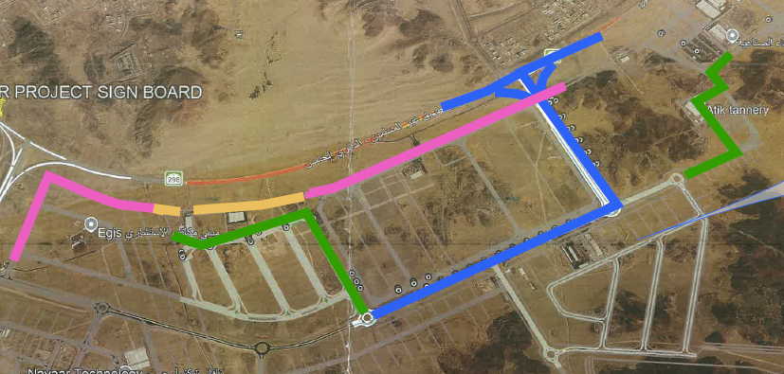
تقدم سير استكمال أعمال البنية التحتية بالمدينة الصناعية الثانية بمكة
معلومات المشروع |  |  |  | نطاق المشروع |  |  |  |  | موقع المشروع
المقاول | شركة الإنجاز للتجارة والمقاولات | الاستشاري | شركة ايجس السعودية للاستشارات الهندسية | البند | الكمية الكلية (م.ط) | الكمية المنفذة (م.ط) | الكمية المتبقية (م.ط) | نسبة المنفذ
تاريخ استلام الموقع | 15 فبراير 2026 | مدة التنفيذ | 18 شهرًا ميلاديًا | أعمال الطرق (Road) | 3,754 | 2,562 | 1,192 | 68%
بداية العقد | من تاريخ استلام الموقع | قيمة العقد (شامل ضريبة القيمة المضافة) | 59,829,343.40 ريال | الأعمال الكهربائية(LV) | 8,464 | 6,923 | 1,541 | 82%
نسبة الإنجاز المخطط له | 54.01% | نسبة الإنجاز الفعلي | 75.32% | عبارات صندوقية من الخرسانة وتشمل حوائط التوجيه | 5 | 4.32 | 0.68 | 86%
 |  |  |  | قنوات الصرف المكشوف والسدود | 3,921 | 3,079 | 842 | 79%
ملخص جدول الكميات
مكونات المشروع |  | التكلفة (غير شامل ضريبة القيمة المضافة) | النسبة الاجمالية
أعمال الطرق |  | 27,242,056 | 52%
الأعمال الكهربائية |  | 3,513,100 | 7%

عبارات صندوقية من الخرسانة وتشمل حوائط التوجيه |  | 5,910,360 | 11% | ملخص التوريدات |  |  |  |  | تقدم أعمال layout
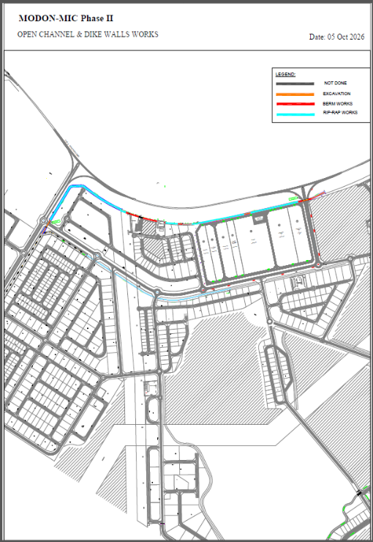
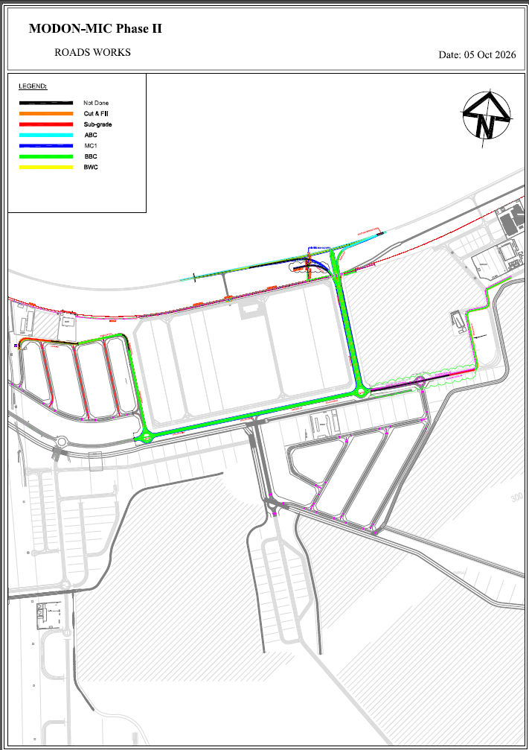
قنوات الصرف المكشوف والسدود |  | 15,360,000 | 30% | البند | الكمية الكلية (م.ط) | الكمية المورده (م.ط) | الكمية المتبقية (م.ط) | نسبة التوريد
 |  |  |  | كيابل الجهد المنخفض(متر) | 8,464 | 8,464 | - | 100%
 |  |  |  | أعمدة إنارة ذات ذراعين(Unit) | 101 | 101 | - | 100%
 |  |  |  | أعمدة إنارة بذراع واحد(Unit) | 42 | 42 | - | 100%
 |  |  |  | وحدات إنارة الشوارع(Unit) | 247 | 247 | - | 100%
 |  |  |  | نظام التاريض (Unit) | 15 | 15 | - | 100%
 |  |  |  | لوحات توزيع الإنارة(Unit) | 4 | 4 | - | 100%
 |  |  |  | كبائن توزيع دوائر الإنارة(Unit) | 1 | 1 | - | 100%
الإجمالي |  | 52,025,516 | 100%
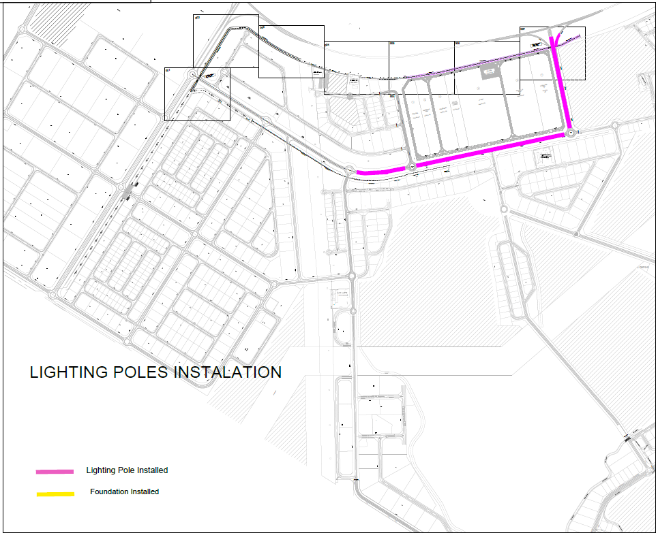
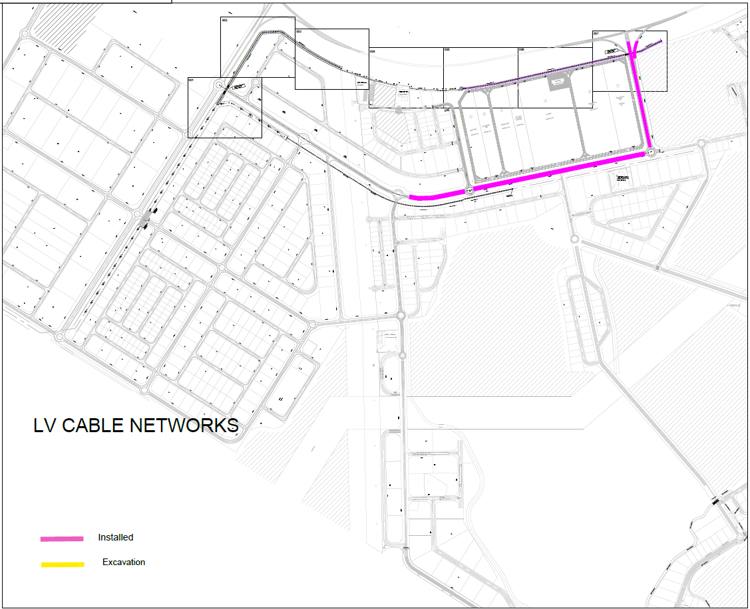
معالم البرنامج الزمني
البند |  | التاريخ حسب الجدول الزمني | ملاحظة
اتاريخ بدء المشروع |  | 15-Feb-26 | تم الإنتهاء
اجتماع انطلاق المشروع / برنامج التدريب الوطني |  | 15-Feb-26 | تم الإنتهاء | التحديات والعوائق
إنجاز المشروع |  | 14-Aug-27 | لم يبدأ | 1-أعمال إضافية في طريق "كوليكتور 9"
إتمام التعبئة |  | 14-Mar-26 | تم الإنتهاء | 2-إنشاء طريق جديد، الطريق 52
الموافقة على البرنامج الأساسي |  | 14-Mar-26 | تم الإنتهاء | 3-إنشاء طريق جديد: الطريق الأحمر (Al Gloud Road)
التأهيل المسبق والموافقة على المواد |  | 14-Mar-26 | تم الإنتهاء
إتمام تسليم المواد ذات المهلة الطويلة |  | 16-Aug-26 | تم الإنتهاء | 6-
إنجاز أعمال الطرق |  | 14-Dec-26 | لم يبدأ | 7-
إنجاز قناة الصرف المفتوحة |  | 14-Jun-27 | لم يبدأ | 8-
إنجاز جميع الأعمال |  | 14-Aug-27 | لم يبدأ | 9-
التسليم النهائي |  | 14-Aug-27 | لم يبدأ | 10-

